Dashboard
Name | Net Worth | Age Group | Count
Elon Musk | 180000 | 50-60 | 8 | TOP BILLIONAIRES IN THE WORLD
Robin Zeng | 33400 | 60-70 | 5
Susanne Klatten | 27400 | 70-80 | 2
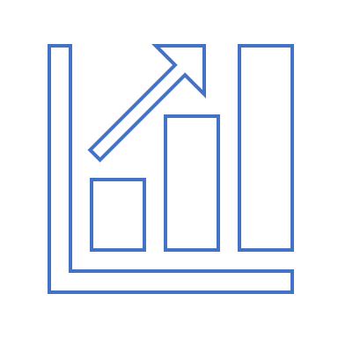

Stefan Quandt | 24600 | 80-90 | 1

Eric Li | 19000
Wang Chuanfu | 18700
Huang Shilin | 15200
Wei Jianjun & family | 14500
Lu Xiangyang | 13200
Shahid Khan | 12100

Top 10 Rich List
Billionaires by Age

